Run Chart
Run Chart | (Can use for a small scale PDSA cycle, an individual provider or care team, a site, or health center total)
Is there evidence your measure performance may be statistically changing?
 |  |  |  |  |  |  |  |  |  |  |  |  | Step 1: Update date range labels
 | 2015 | 2016 |  |  |  | 2017 |  |  |  | 2018 |  |  | << Enter year in first cell that corresponds to the beginnng of the month or quarter in the next row
 | Q4 | Q1 | Q2 | Q3 | Q4 | Q1 | Q2 | Q3 | Q4 | Q1 | Q2 | Q3 | << Enter desired range of months or quarters in each cell
Numerator | 64 | 63 | 64 | 48 | 52 | 64 | 65 | 70 | 71 | 71 | 72 | 73 | << Enter numerator data here
Denominator | 100 | 100 | 100 | 100 | 100 | 100 | 100 | 100 | 100 | 100 | 100 | 100 | << Enter denominator data here
DM BP < 140/90 | 64% | 63% | 64% | 48% | 52% | 64% | 65% | 70% | 71% | 71% | 72% | 73% | Step 2: Enter data (above) and goal (below)
Median (12 mo.) | 65% | 65% | 65% | 65% | 65% | 65% | 65% | 65% | 65% | 65% | 65% | 65%
Goal | 71% | 71% | 71% | 71% | 71% | 71% | 71% | 71% | 71% | 71% | 71% | 71% | << Enter goal in cell B9 only

Step 3: Use DM BP Control as your measure or change to desired (and change measure name above and on chart).

DM BP Control

Step 4: Use Deming's Rules to signal when trend may have changed statistically.

 | Deming's Rules |  |  |  |  |  |  |  | Signal ?
 | 1. Shift - 6 or more consecutive points either all above or all below the median |  |  |  |  |  |  |  | YES | (answer for your measure)
 | 2. Trend - 5 points all going up or all going down |  |  |  |  |  |  |  | YES
 | 3. Runs - a series of points in a row on one side of the median |  |  |  |  |  |  |  | YES
 | 4. Astronomical Point - unusually large or small points |  |  |  |  |  |  |  | YES

Step 5: Move and reshape red circles in the chart to identify your Deming's Rule signals.

Funnel Chart
Funnel Chart - By Provider
Which providers are doing really well or need help on a particular measure?
 | Measure: | HTN BP Control |  |  |  |  |  |  | LCL and UCL computation references:
 | Step 1: Enter provider labels
 |  | Step 2: Enter Monthly, Quarterly or Annual Num & Den for each provider |  |  |  |  |  |  | Default confidence level is 95%
 | Provider | Num | Den | BP Control | E | LCL | UCL | Group Average | Enter the critical value Zc for desired level of confidence:
HTN BP Control by Provider
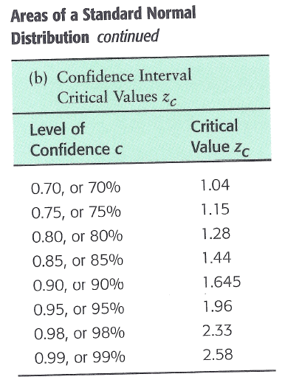
 | R | 8 | 16 | 50% | 25% | 43% | 92% | 68% | 1.96
 | J | 10 | 19 | 53% | 22% | 45% | 90% | 68%
 | Q | 10 | 14 | 71% | 24% | 44% | 92% | 68%
 | V | 18 | 22 | 82% | 16% | 52% | 84% | 68%
 | I | 17 | 30 | 57% | 18% | 50% | 86% | 68%
 | P | 21 | 32 | 66% | 16% | 51% | 84% | 68%
 | S | 20 | 24 | 83% | 15% | 53% | 83% | 68%
 | U | 22 | 34 | 65% | 16% | 52% | 84% | 68%
 | T | 32 | 44 | 73% | 13% | 55% | 81% | 68%
 | C | 42 | 70 | 60% | 11% | 56% | 79% | 68%
 | B | 43 | 80 | 54% | 11% | 57% | 79% | 68%
 | O | 40 | 50 | 80% | 11% | 57% | 79% | 68%
 | N | 46 | 63 | 73% | 11% | 57% | 79% | 68%
 | A | 53 | 110 | 48% | 9% | 59% | 77% | 68% | Formula to compute margin of error E:
 | H | 58 | 70 | 83% | 9% | 59% | 77% | 68%
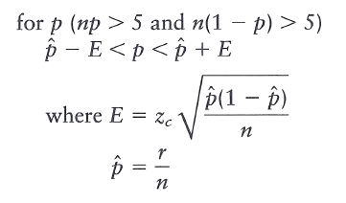
 | E | 76 | 98 | 78% | 8% | 60% | 76% | 68%
 | M | 69 | 125 | 55% | 9% | 59% | 77% | 68%
 | K | 53 | 74 | 72% | 10% | 58% | 78% | 68%
 | F | 85 | 110 | 77% | 8% | 60% | 76% | 68%
 | G | 115 | 175 | 66% | 7% | 61% | 75% | 68%
 | D | 70 | 95 | 74% | 9% | 59% | 77% | 68%
 | L | 75 | 93 | 81% | 8% | 60% | 76% | 68%

 |  | 983 | 1448 | 68%

